Sheet1
Bugs and Issues Tracking Template
Issue Title: [Brief description of the issue] | Issue ID: [Unique identifier for the issue] | Date Reported: | Reported By: | Assigned To: | Priority: [Low/Medium/High/Critical] | Status: [Open/In Progress/Resolved/Closed] | Resolution: [Explanation of how the issue was resolved, including any code changes or fixes applied.] | Attachments: [Links or references to any relevant files, screenshots, or documents related to the issue.] | Comments (if any)
While implementing the Database an error occurred where the database was not accessible. | IS01 | 2023-11-24 | Harrison | Harrison | HIGH | Closed | To fix this issue the Proteine team had to implement the database into the home page and all linking pages that were linked to the specific document that required the database, such as AddExercisePage and FoodIntakePage.
While using the Food Intake and the exercise logging pages, the user wanted to input their data into the database the application would go into break mode. | IS02 | 2023-11-24 | Harrison | Harrison | HIGH | Closed | The protein team fixed it by implementing the lines of code that follows. this code makes it so that when the exercise is being saved it makes sure that there is an ID for the exercise and if there is no ID then it will insert one public async Task<int> SaveCategoryAsync(Exercise exercise) { await Init(); if (Exercise.Exerciseld != 0) { return await Database.UpdateAsync(exercise); } else { return await Database.InsertAsync(exercise); } | 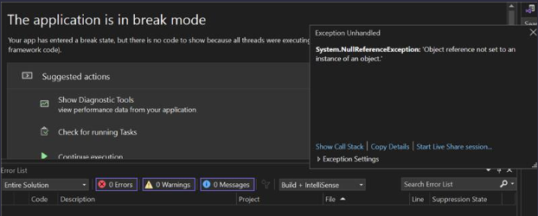
Loaded up the code and these auto generated files could not be found | IS03 | 11/28/2023 | Christopher | Christopher | HIGH | Closed | Tried cleaning project and the issue was fixed | 